Sheet1
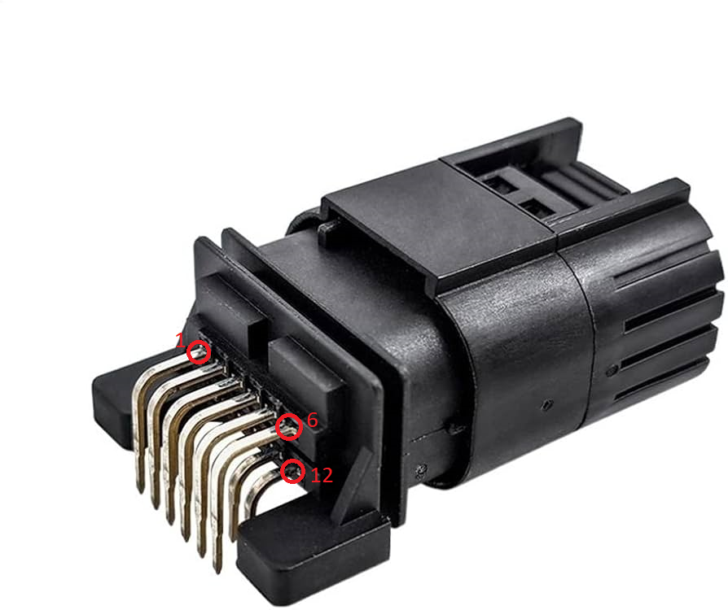
Pin Number | Purpose | Comment
1 | 12v Ignition | Supply to module, 12v ignition
2 | Ground | Ground
3 | LIN 1 | LIN 1 (to Steering Wheel)
4 | LIN 2 | LIN 2 (to Gateway)
5 | CAN High | CAN High (for radios etc)
6 | CAN Low | CAN Low (for radios etc)
7 | Analog Light | PWM Light signal (MK4 Golf)
8 | Radio | Resistance for radios
9 | 5v | 5v reference for radios, optional
10 | N/A | Not used
11 | N/A | Not used
12 | N/A | Not used

